Competitor Analysis Template
Incredible Connection Gaming Accessory Analysis |  |  |  |  |  |  |  |  |  |  |  |  |  | Jun-26
Buyer / Account
Mousepads
 |  |  |  | 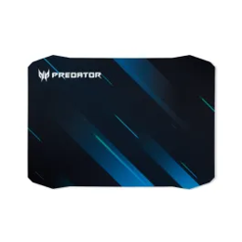 |  | 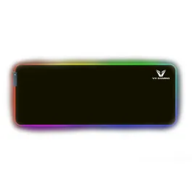 |  | 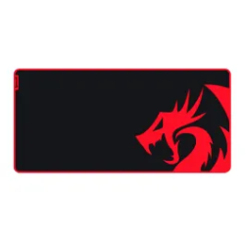 |  |  |  | 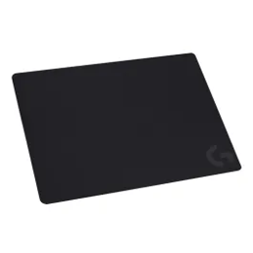 |  | 
Redragon FLICK M Mousepad 270X320 - Black |  | Redragon FLICK L Gaming Mousepad 400X450 - Black |  | Acer Predator PMP010 Medium Gaming Mousepad |  | VX Gaming Harmonia Extra Wide RGB Mousepad 800x300x4mm |  | REDRAGON KUNLUN L GAMING PAD |  | Redragon FLICK XL Gaming Mousepad 400X900 - Black |  | Logitech Cloth G240 Gaming Mouse Pad |  | Logitech G840 XL Gaming Mouse Pad
10280028 |  | 10279999 |  | 10287741 |  | 10281729 |  | 10111248 |  | 10280027 |  | 10288943 |  | 10133259
Everyday pricing | Product on promo? | Everyday pricing | Product on promo? | Everyday pricing | Product on promo? | Everyday pricing | Product on promo? | Everyday pricing | Product on promo? | Everyday pricing | Product on promo? | Everyday pricing | Product on promo? | Everyday pricing | Product on promo?
 | No |  | No |  | No |  | No |  | Yes |  | Yes |  | No |  | No
R79 | N/A | R169 | N/A | R199 | N/A | R199 | N/A | R229 | R149 | R279 | R199 | R349 | N/A | R799 | N/A
Surface Material: Silk processed cloth |  | Surface Material: Silk processed cloth |  | Surface Material: High performance fabric |  | Surface Material: Super-smooth surface |  | Surface Material: Surface Silk processed cloth |  | Surface Material: Surface is made of silk processed cloth |  | Surface Material: G240 cloth gaming mouse pad |  | Surface Material: Performance-tuned tracking surface
Bottom Material: Processed rubber |  | Bottom Material: Processed rubber |  | Bottom Material: Non slip rubber backing |  | Bottom Material: Rubberised non-slip base |  | Bottom Material: Foam rubber |  | Bottom Material: Processed rubber |  | Bottom Material: Rubber base |  | Bottom Material: Stable rubber bases
Warranty: 18 Month Warranty |  | Warranty: 6 Month Warranty |  | Warranty: 6 Month Warranty |  | Warranty: 1 Year Warranty |  | Warranty: 6 Month Warranty |  | Warranty: 18 Month Warranty |  | Warranty: 6 Month Warranty |  | Warranty: 2-year manufacturer’s guarantee
Dimensions: 270X320 |  | Dimensions: 400X450 |  | Dimensions: Medium |  | Dimensions: 800 X 300 X 4Mm |  | Dimensions: Super-fine and high-density materials |  | Dimensions: 270X320 |  | Dimensions: 340 x 280 x 1mm |  | Dimensions: Height: 400 mm Width: 900 mm Thickness: 3 mm
Waterproof: Waterproof and easy to clean |  | Waterproof: Waterproof and easy to clean |  | Waterproof: Easy cleaning |  | Waterproof: Waterproof and easy to clean |  | Waterproof: Waterproof and easy to clean |  | Waterproof: Waterproof and easy to clean

Wired mouse
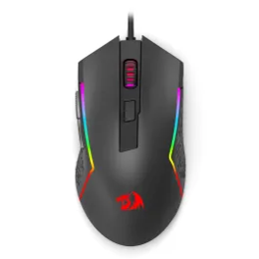 |  | 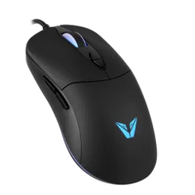 |  | 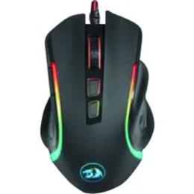 |  | 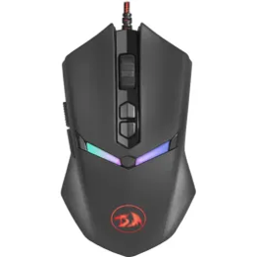 |  | 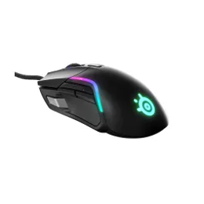 |  | 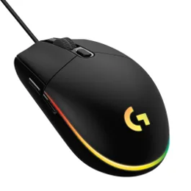 |  | 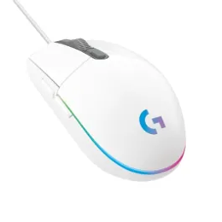 |  | 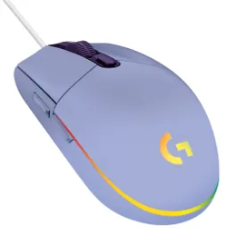
Redragon M616 Trident 10000DPI RGB Gaming Mouse – Black |  | VX Gaming Hera Series Gaming Mouse |  | Redragon Griffin 7200dpi Gaming Mouse |  | Redragon NEMEANLION 2 7200DPI Gaming Mouse Black |  | Steelseries Rival 5 |  | Logitech G102 Lightsync Gaming Mouse - Black |  | Logitech G102 Lightsync Gaming Mouse - White |  | Logitech G102 LIGHTSYNC Gaming Mouse Lilac
10302724 |  | 10296485 |  | 10119185 |  | 10129083 |  |  |  | 10129772 |  | 10129794 |  | 10292467
Everyday pricing | Product on promo? | Everyday pricing | Product on promo? | Everyday pricing | Product on promo? | Everyday pricing | Product on promo? | Everyday pricing | Product on promo? | Everyday pricing | Product on promo? | Everyday pricing | Product on promo? | Everyday pricing | Product on promo?
 | Yes |  | Yes |  | Yes |  | Yes |  | No |  | No |  | No |  | No
R219 | R149 | R249 | R99 | R299 | R189 | R299 | R199 | R299 | N/A | R349 | N/A | R349 | N/A | R349 | N/A
 |  | DPI / sensitivity: 7200 DPI |  | DPI / sensitivity: 7200 DPI |  | DPI / sensitivity: 7200 DPI |  | DPI / sensitivity: 8000 DPI |  | DPI / sensitivity: 8000 DPI |  | DPI / sensitivity: 8000 DPI |  | DPI / sensitivity: 200 To 8000 adjustable DPI
 |  | sensor: Instant 825 optical sensor |  | sensor: Optical sensor |  | sensor: High precision optical sensor |  | sensor: 8000 DPI gaming-grade sensor |  | sensor: 8000 DPI gaming-grade sensor |  | sensor: 8000 DPI gaming-grade sensor |  | sensor: 200 To 8000 adjustable DPI
buttons: 6 Programmable buttons |  | buttons: 7 Buttons |  | buttons: 6 Buttons |  | buttons: 2 extra buttons on the top side |  | buttons: 9-button mouse |  | buttons: 6-button design |  | buttons: 6-button design |  | buttons: 6 button programmable design
connectivity: Wired |  | connectivity: Wired |  | connectivity: Wired |  | connectivity: Wired |  | connectivity: Wired |  | connectivity: Wired |  | connectivity: Wired |  | connectivity: Wired
lighting: RGB lighting |  | lighting: Brilliant prismSync lighting |  | lighting: RGB backlight |  | lighting: Different colour backlight |  | lighting: LIGHTSYNC RGB (16.8m colours) |  | lighting: Fully customisable LIGHTSYNC RGB |  | lighting: Fully customisable LIGHTSYNC RGB |  | lighting: Lightsync RGB (16.8m colours)

Wired mouse (continued)
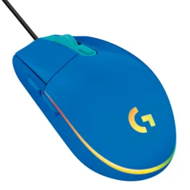 |  | 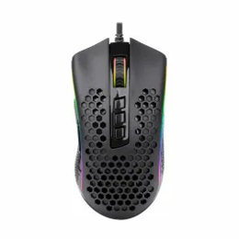 |  | 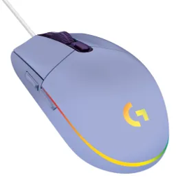 |  |  |  | 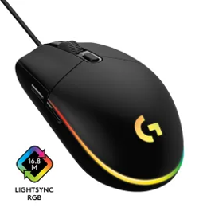 |  | 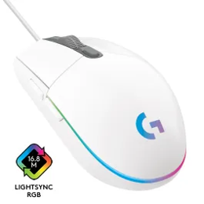 |  | 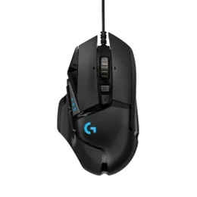 |  | 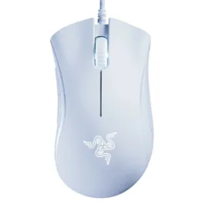
Logitech G102 LIGHTSYNC Mouse Blue |  | Redragon STORM M808 12400DPI RGB Gaming Mouse - Black |  | Logitech G203 LIGHTSYNC Gam Mouse Lilac |  | Logitech G203 LIGHTSYNC Gaming Mouse Blue |  | Logitech G203 LIGHTSYNC Gaming Mouse Black |  | Logitech G203 LIGHTSYNC Gaming Mouse White |  | Logitech G502 Hero Mouse |  | Razer Deathadder Essential White Ed
10292474 |  | 10131827 |  | 10300031 |  | 10300035 |  | 10300034 |  | 10300040 |  | 10119430 |  | 10266645
Everyday pricing | Product on promo? | Everyday pricing | Product on promo? | Everyday pricing | Product on promo? | Everyday pricing | Product on promo? | Everyday pricing | Product on promo? | Everyday pricing | Product on promo? | Everyday pricing | Product on promo? | Everyday pricing | Product on promo?
 | No |  | No |  | No |  | No |  | No |  | No |  | Yes |  | No
R349 | N/A | R349 | N/A | R399 | N/A | R399 | N/A | R499 | N/A | R499 | N/A | R699 | R599 | R899 | N/A
DPI / Sensitivity: 200 To 8000 adjustable DPI |  | DPI / Sensitivity: Adjustable DPI/RGB |  | DPI / Sensitivity: 200 to 8000 DPI |  | DPI / Sensitivity: 200 to 8000 DPI |  | DPI / Sensitivity: 200 to 8000 DPI |  | DPI / Sensitivity: 200 to 8000 DPI |  | DPI / Sensitivity: 100 up to 16,000 DPI |  | DPI / Sensitivity: 6400 DPI optical sensor
Sensor: Lightsync RGB (16.8m colours) |  | Sensor: Honeycomb design |  | Sensor: 8,000 DPI gaming grade sensor |  | Sensor: 8,000 DPI gaming grade sensor |  | Sensor: 8,000 DPI gaming grade sensor |  | Sensor: 8,000 DPI gaming grade sensor |  | Sensor: HERO 25K sensor |  | Sensor: 6400 DPI optical sensor
Buttons: 6 button programmable design |  | Buttons: 7 Programmable buttons |  | Buttons: 6- button design |  | Buttons: 6- button design |  | Buttons: 6- button design |  | Buttons: 6- button design |  | Buttons: 5 hyperesponse buttons |  | Buttons: 5 hyperesponse buttons
Connectivity: Wired |  | Connectivity: Wired |  | Connectivity: Wired |  | Connectivity: Wired |  | Connectivity: Wired |  | Connectivity: Wired |  | Connectivity: 2.4 GHz Wireless |  | Connectivity: Braided cable
Warranty: 2 Year Warranty limited hardware |  |  |  | Warranty: 2-Year Manufacturer’s Guarantee |  | Warranty: 2-Year Manufacturer’s Guarantee |  | Warranty: 2-Year Manufacturer’s Guarantee |  | Warranty: 2-Year Manufacturer’s Guarantee |  |  |  | Warranty: 2 Year Warranty

Wired mouse (continued)
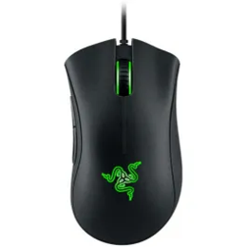 |  | 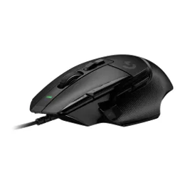 |  | 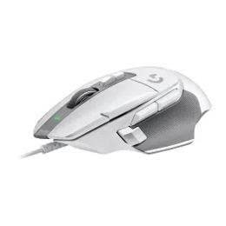 |  | 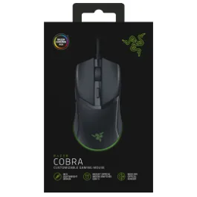 |  | 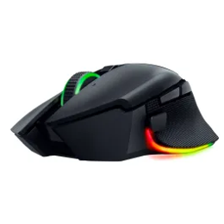
Razer DeathAdder Essential Wired Gaming Mouse |  | Logitech LIGHTFORCE G502 X Wired Gaming Mouse - Black |  | Logitech LIGHTFORCE G502 X Wired Gaming Mouse - White |  | Razer Cobra RGB Wired Gaming Mouse |  | Razer Basilisk V3 Pro 35K Mouse Black
10266644 |  | 10288905 |  | 10288890 |  | 10292476 |  | 10302366
Everyday pricing | Product on promo? | Everyday pricing | Product on promo? | Everyday pricing | Product on promo? | Everyday pricing | Product on promo? | Everyday pricing | Product on promo?
 | No |  | No |  | No |  | No |  | No
R899 | N/A | R1 199 | N/A | R1 199 | N/A | R1 199 | N/A | R4 599 | N/A
DPI / Sensitivity: 6400 DPI |  |  |  |  |  | DPI / Sensitivity: 8500 DPI |  | DPI / Sensitivity: 35K
Sensor: 6400 DPI optical sensor |  | Sensor: 25K sub-micron gaming sensor |  | Sensor: 25K sub-micron gaming sensor |  | Sensor: 8500 DPI optical sensor |  | Sensor: Focus Pro 35K optical Sensor Gen-2
Connectivity: Wired |  | Connectivity: Wired |  | Connectivity: Wired |  | Connectivity: Wired |  | Connectivity: Wired
Warranty: 2 Year Warranty |  |  |  |  |  | Warranty: 2 Year Warranty |  | Warranty: 2 Year Warranty
Brand: Razer |  | Brand: Logitech |  | Brand: Logitech |  | Brand: Razer |  | Brand: Razer

Wireless mouse
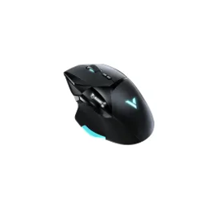 |  | 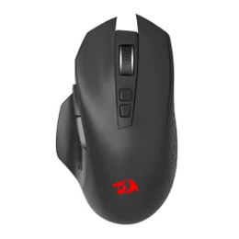 |  | 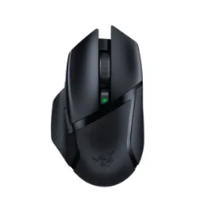 |  | 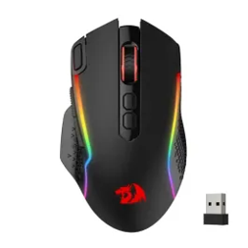 |  | 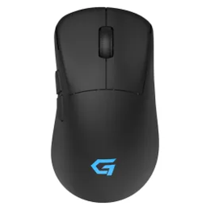 |  | 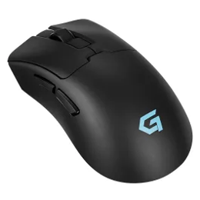 |  | 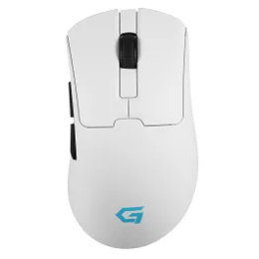 |  | 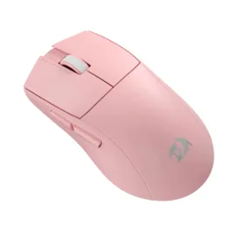
Rapoo VT900 Gaming Wireless & Wired Optical Mouse |  | Redragon Gainer M656 Wireless Gaming Mouse 4000DPI Black |  | Razer Basilisk X Hyperspeed Dual-mode Wireless Gaming Mouse |  | Redragon M810 TAIPAN PRO Wireless Gaming Mouse |  | VolkanoG Arc SL Wireless Gaming Mouse |  | VolkanoG Arc UltraLight Wireless Gaming Mouse Black |  | VolkanoG Arc UltraLight Wireless Gaming Mouse White |  | Redragon M916 Pro 1K Wireless Gaming Mouse - Pink
 |  | 10302680 |  |  |  | 10293981 |  | 10324542 |  | 10324571 |  | 10324618 |  | 10301502
Everyday pricing | Product on promo? | Everyday pricing | Product on promo? | Everyday pricing | Product on promo? | Everyday pricing | Product on promo? | Everyday pricing | Product on promo? | Everyday pricing | Product on promo? | Everyday pricing | Product on promo? | Everyday pricing | Product on promo?
 | No |  | No |  | No |  | No |  | Yes |  | Yes |  | Yes |  | No
R219 | N/A | R279 | N/A | R299 | N/A | R449 | N/A | R599 | R499 | R699 | R599 | R699 | R599 | R799 | N/A
DPI / Sensitivity: 400 Inch/s |  | DPI / Sensitivity: 4000 DPI |  | DPI / Sensitivity: Up to 4000 DPI |  | DPI / Sensitivity: 5 Adjustable DPI levels (1000 to 4000) |  | DPI / Sensitivity: Up to 12 000 CPI |  | DPI / Sensitivity: Up to 24 000 DPI |  | DPI / Sensitivity: Up to 24 000 DPI |  | DPI / Sensitivity: Up to 26,000 DPI
Sensor: Optical |  | Sensor: PAW3325 Optical Pixart Sensor |  | Sensor: Razer™ 5G advanced optical sensor |  | Sensor: PAW3325 Optical Pixart Sensor |  | Sensor: PAW3325 Optical Pixart Sensor |  | Sensor: Razer™ 5G advanced optical sensor |  | Sensor: Razer™ 5G advanced optical sensor |  | Sensor: PAW3325 Optical Pixart Sensor
Buttons: 10 programmable button |  | Buttons: 7 Macro buttons |  | Buttons: 6 Programmable buttons |  | Buttons: 8 macro buttons |  | Buttons: 8 macro buttons |  | Buttons: 6 Programmable buttons |  | Buttons: 6 Programmable buttons |  | Buttons: Full-programmable buttons
Connectivity: USB |  | Connectivity: 2.4GHz wireless |  | Connectivity: Razer HyperSpeed wireless |  | Connectivity: 2.4Ghz wireless and USB-C wired mode |  | Connectivity: Tri-mode connectivity (2.4g wireless/wired) |  | Connectivity: Tri-mode connectivity (2.4g wireless/wired) |  | Connectivity: Tri-mode connectivity (2.4g wireless/wired) |  | Connectivity: Connection: 2.4g wireless/wired
 |  |  |  |  |  | Weight: 51g |  | Weight: 51g |  | Weight: 51g |  | Weight: 51g |  | Weight: 51g

Wireless mouse (continued)
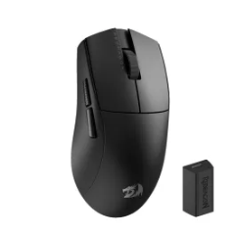 |  | 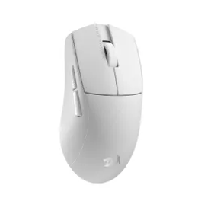 |  | 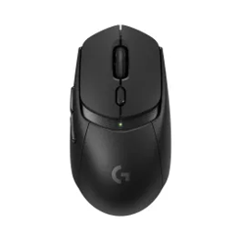 |  | 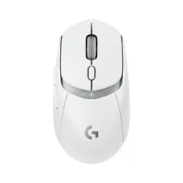 |  | 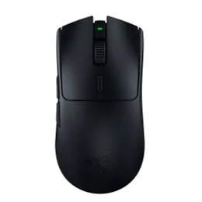 |  | 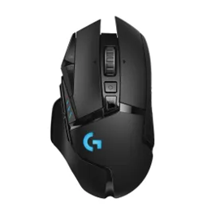 |  | 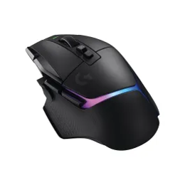 |  | 
Redragon M916 Pro 1K Wireless Gaming Mouse – Black |  | Redragon M916 Pro 1K Wireless Gaming Mouse – White |  | Logitech G309 LIGHTSPEED Wireless Gaming Mouse Black |  | Logitech G309 LIGHTSPEED Wireless Gaming Mouse White |  | Razer Viper V3 Hyperspeed |  | Logitech G502 Lightspeed Wireless Gaming Mouse |  | Logitech Lightspeed G502 Plus Wireless RGB Gaming Mouse, Black |  | Logitech LIGHTSPEED G502 X Plus Wireless RGB Gaming Mouse - White
10301593 |  | 10301543 |  |  |  |  |  | 10300146 |  | 10127114 |  | 10288899 |  | 10288919
Everyday pricing | Product on promo? | Everyday pricing | Product on promo? | Everyday pricing | Product on promo? | Everyday pricing | Product on promo? | Everyday pricing | Product on promo? | Everyday pricing | Product on promo? | Everyday pricing | Product on promo? | Everyday pricing | Product on promo?
 | No |  | No |  | No |  | No |  | No |  | No |  | No |  | No
R799 | N/A | R799 | N/A | R899 | N/A | R999 | N/A | R1 699 | N/A | R1 999 | N/A | R3 199 | N/A | R3 199 | N/A
DPI / Sensitivity: 26000 Dpi |  | DPI / Sensitivity: 26000 DPI |  | DPI / Sensitivity: HERO 25K sensor |  | DPI / Sensitivity: HERO 25K sensor |  | DPI / Sensitivity: 30K optical sensor |  | DPI / Sensitivity: HERO 25K sensor |  | DPI / Sensitivity: 25K sub-micron gaming sensor |  | DPI / Sensitivity: 25K Sub-micron gaming sensor
Connection: 2.4g wireless/wired |  | Connection: 2.4g wireless/wired |  | Connection: LIGHTSPEED wireless and bluetooth |  | Connection: LIGHTSPEED wireless and bluetooth |  | Connection: HyperSpeed |  | Connection: LIGHTSPEED 1 ms wireless |  | Connection: Lightspeed wireless RBG gaming mouse |  | Connection: Lightspeed wireless RBG gaming mouse
Warranty: 18 Month Warranty |  | Warranty: 18 Month Warranty |  | Warranty: 2 Year Warranty |  | Warranty: 2 Year Warranty |  | Warranty: 2 Year Warranty |  | Warranty: 2 Year Warranty |  | Warranty: 2 Year Warranty |  | Warranty: 2 Year Warranty
Weight: 49g ultra-light |  | Weight: 49G ultra-light |  |  |  |  |  | Weight: Lightweight design |  | Weight: Tunable weight system
Buttons: Full-programmable buttons |  | Buttons: 5 programmable buttons |  | Buttons: Up to 6 programmable buttons |  | Buttons: Up to 6 programmable buttons |  | Buttons: Up to 6 programmable buttons |  | Buttons: 11 buttons |  | Buttons: Adjustable, removeable DPI-shift button |  | Buttons: Adjustable, removeable DPI-shift button

Wireless mouse (continued)
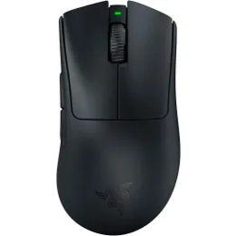
Razer Deathadder V3 Pro Wireless Mouse Black
10285438
Everyday pricing | Product on promo?
 | No
R3 799 | N/A
Mouse - DPI / Sensitivity: 30000 DPI sensitivity
Sensor Type: Focus pro 30K optical sensor
Connectivity: Hyperspeed wireless Wired-speedflex charging cable USB-C

Warranty: 2 Year Warranty

Combos
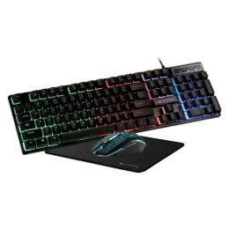 |  | 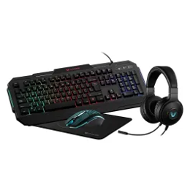 |  | 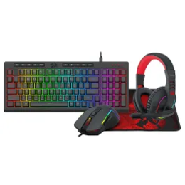
VX Gaming Artemis series 3-in-1 Combo Keyboard, Mouse, Mousepad |  | VX Gaming Heracles Series 4-in-1 Combo |  | Redragon 4-in-1 Gaming Keyboard Combo
10201709 |  | 10175937 |  | 10310821
Everyday pricing | Product on promo? | Everyday pricing | Product on promo? | Everyday pricing | Product on promo?
 | No |  | No |  | Yes
R349 | N/A | R449 | N/A | R899 | R599
DPI / Sensitivity: 3200 |  | DPI / Sensitivity: 3200 |  | DPI / Sensitivity: 10000
Connection: USB |  | Connection: USB |  | Connection: Wired
 |  |  |  | Headset / Mouse Specs: 40mm drivers
Warranty: 1 Year |  | Warranty: 1 Year

Wired headsets
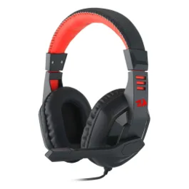 |  | 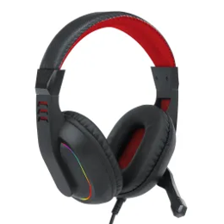 |  | 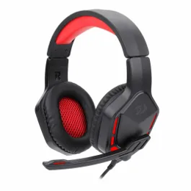 |  | 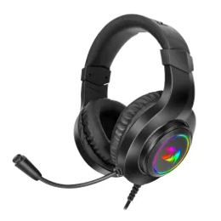 |  | 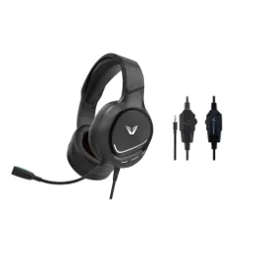 |  | 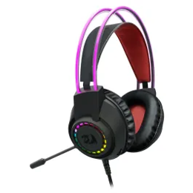 |  | 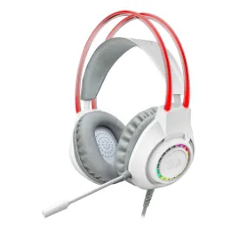 |  | 
Redragon Ares Gaming Headset |  | Redragon Over-Ear ARES Aux RGB Gaming Headset – Black |  | Redragon THEMIS 3.5mm2.0 Boom Mic Gaming Headset – Black |  | Redragon Over-Ear Hylas Gaming Headset |  | VX Gaming Blaze Series Gaming Headset |  | Redragon SCREAM Over-Ear RGB Gaming Headset – Black |  | Redragon SCREAM Over-Ear RGB Gaming Headset – White |  | Trust Gaming GXT415 Zirox Wired Gaming Headset Black
10117879 |  | 10303095 |  | 10144081 |  | 10296934 |  | 10296493 |  | 10303115 |  | 10303116 |  | 10301517
Everyday pricing | Product on promo? | Everyday pricing | Product on promo? | Everyday pricing | Product on promo? | Everyday pricing | Product on promo? | Everyday pricing | Product on promo? | Everyday pricing | Product on promo? | Everyday pricing | Product on promo? | Everyday pricing | Product on promo?
 | No |  | Yes |  | No |  | Yes |  | Yes |  | Yes |  | No |  | No
R149 | N/A | R269 | R179 | R299 | N/A | R329 | R249 | R349 | R249 | R399 | R249 | R399 | N/A | R399 | N/A

Connection: 3.5mm |  | Connection: Aux |  | Connection: 3.5mm |  | Connection: 3.5mm |  | Connection: 3.5mm |  | Connection: 3.5mm |  | Connection: 3.5mm |  | Connection: Wired
 |  | Lighting: RGB |  | Lighting: Red LED backlighting |  | Lighting: RGB lighting |  | Lighting: RGB Lighting |  | Lighting: Dynamic RGB backlight |  | Lighting: RGB
Warranty: 18 Month Warranty |  | Warranty: 18 Month Warranty |  | Warranty: 1 Year Warranty |  | Warranty: 1 Year Warranty |  | Warranty: 6 Month Warranty |  | Warranty: 18 Month Warranty |  | Warranty: 18 Month Warranty |  | Warranty: 1 Year Warranty

Wired headsets (continued)
 |  |  |  |  |  |  |  |  |  |  |  |  |  | 
VolkanoG Solace Wired Gaming Headphones |  | Turtle Beach Recon 50 Neon Blue and Red Wired Headset |  | Maverick Series Gaming Headset |  | Redragon PANDORA USB+3.5mm Aux | Vitrual 7.1 | RGB Gaming Headset |  | Redragon AURORA Over-Ear Gaming Headset – Black |  | Turtle Beach Recon 70 PC Wired Headset |  | JBL QUANTUM 100M2 Wired over-ear gaming headset - Purple |  | JBL QUANTUM 100M2 Wired over-ear gaming headset -Cyan
10324634 |  | 10302565 |  | 10296523 |  | 10266849 |  | 10303090 |  | 10302357 |  | 10300064 |  | 10300013
Everyday pricing | Product on promo? | Everyday pricing | Product on promo? | Everyday pricing | Product on promo? | Everyday pricing | Product on promo? | Everyday pricing | Product on promo? | Everyday pricing | Product on promo? | Everyday pricing | Product on promo? | Everyday pricing | Product on promo?
 | Yes |  | Yes |  | Yes |  | Yes |  | No |  | Yes |  | No |  | No
R399 | R349 | R499 | R349 | R549 | R399 | R599 | R499 | R649 | N/A | R699 | R599 | R799 | N/A | R799 | N/A
Driver Size: 50mm |  | Driver Size: 40mm |  | Driver Size: 50mm |  | Driver Size: 7.1 Surround sound |  | Driver Size: 40mm |  | Driver Size: 40mm |  | Driver Size: 40mm |  | Driver Size: 40mm
Microphone: Clear gaming microphone |  | Microphone: Crystal clear chat |  | Microphone: Detachable mic |  | Microphone: Detachable noise isolating microphone |  | Microphone: High sensitivity microphone |  | Microphone: Convenient flip-to-mute mic |  | Microphone: JBL Quantum SOUND signature |  | Microphone: JBL Quantum SOUND signature
Warranty: 24 Month Warranty |  | Warranty: 2 Year Warranty |  | Warranty: 6 Month Warranty |  | Warranty: 18 Month Warranty |  | Warranty: 18 Month Warranty |  | Warranty: 2 Year Warranty |  | Warranty: 1 Year Warranty |  | Warranty: 1 Year Warranty
Connectivity: Wired |  | Connectivity: Wired |  | Connectivity: Wired |  | Connectivity: USB and 3.5mm connectors |  | Connectivity: RGB backlighting |  | Connectivity: PC & multiplatform compatibility |  | Connectivity: JBL Quantum SOUND signature |  | Connectivity: JBL Quantum SOUND signature
 |  |  |  | RGB Lighting: Dynamic RGB |  | RGB Lighting: RGB backlighting |  | RGB Lighting: RGB backlighting |  |  |  | RGB Lighting: JBL Quantum SOUND signature |  | RGB Lighting: JBL Quantum SOUND signature

Wired headsets (continued)
 |  |  |  |  |  |  |  |  |  |  |  |  |  | 
JBL Quantum 100M2 Wired Over-Ear Gaming Headset Black |  | Logitech H390 Black USB Stereo Headset |  | Logitech G335 Wired Gaming Headset Blk |  | Logitech G335 Wired Gaming Headset White |  | Razer Kraken X Lite |  | Razer Blackshark V2 X - Quartz |  | Razer BlackShark V2 X Wired Gaming Headset – Black |  | Razer BlackShark V2 X Wired Gaming Headset – Green
10303629 |  | 10113386 |  | 10267675 |  | 10267676 |  | 10266618 |  | 10294017 |  | 10268806 |  | 10283393
Everyday pricing | Product on promo? | Everyday pricing | Product on promo? | Everyday pricing | Product on promo? | Everyday pricing | Product on promo? | Everyday pricing | Product on promo? | Everyday pricing | Product on promo? | Everyday pricing | Product on promo? | Everyday pricing | Product on promo?
 | No |  | Yes |  | No |  | No |  | No |  | No |  | No |  | No
R799 | N/A | R799 | R449 | R999 | N/A | R999 | N/A | R999 | N/A | R1 499 | N/A | R1 499 | N/A | R1 499 | N/A
Driver Size: 40mm dynamic |  |  |  |  |  |  |  | Driver Size: 50mm drivers |  | Driver Size: 50mm drivers |  |  |  | Driver Size: 50mm drivers
Connectivity: Wired |  | Connectivity: USB |  | Connectivity: Wired |  | Connectivity: Wired |  | Connectivity: 3.5mm jack |  | Connectivity: 3.5mm jack |  | Connectivity: 3.5mm jack |  | Connectivity: 3.5mm jack
Warranty: 2 Year Warranty |  | Warranty: 2 Year Warranty |  | Warranty: 2 Year Warranty |  | Warranty: 2 Year Warranty |  | Warranty: 2 Year Warranty |  | Warranty: 2 Year Warranty |  | Warranty: 2 Year Warranty |  | Warranty: 2 Year Warranty
Microphone: detachable, voice-focus boom mic with mute functionality |  | Microphone: Rotating noise-cancelling microphone |  |  |  |  |  | Microphone: Razer hyperclear cardioid mic |  | Microphone: Razer hyperclear cardioid mic |  |  |  | Microphone: Fixed razer™ hyperclear cardioid mic
 |  |  |  | Weight: 240g |  | Weight: 240g |  |  |  | Weight: Lightweight comfort

Wired headsets (continued)
 |  |  |  |  |  | 
Razer Barracuda Multiplatform Headset |  | Razer BlackShark V2 Pro Headset Black |  | Razer BlackShark V2 Pro Headset White |  | Razer Kraken Kitty V2 Pro Headset
10302360 |  | 10302399 |  | 10302370 |  | 10302361
Everyday pricing | Product on promo? | Everyday pricing | Product on promo? | Everyday pricing | Product on promo? | Everyday pricing | Product on promo?
 | No |  | No |  | No |  | No
R3 999 | N/A | R4 499 | N/A | R4 499 | N/A | R4 899 | N/A
driver size: 50mm drivers |  | driver size: 50mm drivers |  | driver size: 50mm drivers |  | driver size: 50mm drivers
connection: HyperSpeed wireless (2.4GHz) |  | connection: Bluetooth 5.2, 3.5mm analog |  | connection: Bluetooth 5.2, 3.5mm analog |  | connection: Type A wireless (2.4 GHz), Bluetooth 5.2
microphone: Beamforming noise-cancelling mics |  | microphone: HyperClear Super Wideband Mic |  | microphone: HyperClear Super Wideband Mic |  | microphone: HyperClear super wideband mic
warranty: 2 Year Warranty |  | warranty: 2 Year Warranty |  | warranty: 2 Year Warranty |  | warranty: 2 Year Warranty

Wireless headsets
 |  |  |  |  |  |  |  |  |  | 
VX Stealth Series Wireless Headset |  | VolkanoG Helm X1 Pro Wireless Gaming Headphones |  | Logitech G435 Wireless Gaming Headset Black |  | Logitech G435 Wireless Gaming Headset White |  | Logitech G733 Wireless RGB Gaming Headset Black |  | Logitech G733 Wireless RGB Gaming Headset White
10296494 |  | 10324633 |  | 10275090 |  | 10277048 |  | 10133150 |  | 10133217
Everyday pricing | Product on promo? | Everyday pricing | Product on promo? | Everyday pricing | Product on promo? | Everyday pricing | Product on promo? | Everyday pricing | Product on promo? | Everyday pricing | Product on promo?
 | No |  | Yes |  | No |  | Yes |  | No |  | No
R799 | N/A | R999 | R899 | R1 299 | N/A | R1 799 | R1 499 | R2 999 | N/A | R2 999 | N/A
Connection: 2.4G wireless |  | Connection: 2.4G/Bluetooth/3.5mm |  | Connection: Lightspeed wireless + Bluetooth® |  | Connection: LIGHTSPEED wireless + Bluetooth® |  | Connection: Lightspeed wireless |  | Connection: Lightspeed wireless
Warranty: 6 Month Warranty |  | Warranty: 24 Month Warranty |  | Warranty: 2 Year Warranty |  | Warranty: 2 Year Warranty |  | Warranty: 1 Year Warranty |  | Warranty: 1 Year Warranty
Microphone: Detachable mic |  | Microphone: ENC boom + inner mic |  | Microphone: Beamforming mics reduce background noise |  | Microphone: Beamforming mics reduce background noise |  | Microphone: Detachable mic & Blue voice technology |  | Microphone: Detachable mic & Blue voice technology
Battery Life: Long transmission distance |  | Battery Life: 2000mAh battery for over 45h playtime |  | Battery Life: 18 Hour battery life |  | Battery Life: 18 hour battery life |  | Battery Life: Up to 29-hour battery life |  | Battery Life: Up to 29-hour battery life
RGB Lighting: Dynamic RGB |  | RGB Lighting: RGB lighting |  | RGB Lighting: Front-facing customisable lightsync RGB |  | RGB Lighting: Front-facing customisable lightsync RGB |  | RGB Lighting: Front-facing customisable lightsync RGB |  | RGB Lighting: Front-facing customisable lightsync RGB

